Instructions
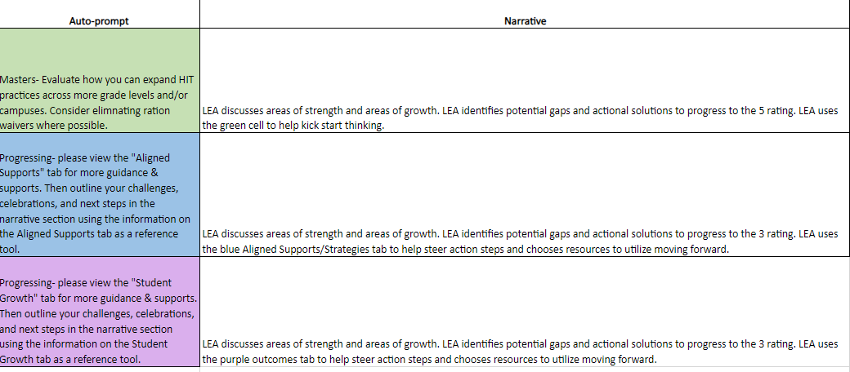
This is the final D6 LEA FOI Rubric: Spring 2024 & 2024 End of Year Accelerated Instruction Survey
Submission Deadline: Friday, June 14
1. Please email your completed rubric to your respective Region ESC HIT Lead.
2. Please complete the survey You can view the survey questions by clicking on the Survey tab below.
Thank you for all your hard work!
HERE

 | LEA Name: Contact Name: Email: Phone:
 | Fidelity of Implementation: Please Read First!

 | Note: please use the zoom feature in the bottom right-hand corner of the window, or in the view tab to help you read and locate information on your screen. Please plan to spend approximately 1 hour completing the summative and narrative sections, depending on how much student data you're working with.

 | Purpose: The summative assessment tool will help drive and facilitate self-evaluation and reflection of local tutoring efforts. This rubric is meant to identify and recreate/scale your successes, while also addressing your challenges so that your tutoring practices are informed and adjusted to maintain efficacy. It is meant to serve as an actionable guide to next steps in HIT implementation and evaluation, not as a compliance tool. The ratings in this evaluation are not tied to funding, nor do they indicate certain levels of grant compliance. Rather, TCLAS Decision 6 awardees are required to participate in this evaluation process so that both ESCs and the TEA can identify trends in challenges and produce better resources to support those challenges.

 | Summative Tool Tab: This section of the self-evaluation tool serves as a summative self-evaluation that should be used by district-level leadership in evaluating your tutor programming. Please refer to the instructions below before navigating through the tabs. The Texas Tutoring supports webpage via TEA lists deadlines and procedures for submitting.

 | Instructions: 1. Go to the Summative Tool tab. 2. Use the guiding questions in column A to help you evaluate your LEA's progress in each of the 3 performance measures- 1416 Compliance, Aligned Supports/Strategies, and Outcomes. 3. You will choose your self-reflection rating using the drop-down menu in column G. Your rating will be either a 1, 2, 3, 4, or 5 based on the rubric criteria you have met. 4. After inputting your ratings into column G, those same ratings will autofill in the "Narrative Section" tab in column B. 5. Next to those autofilled ratings in the "Narrative Section" tab will be an auto prompted, color-coded response that matches your rating. This is located in column C. Note that column C will remain blank and a beige color until you have self-rated on the "LEA Formative Tool" tab. 6. If you received a 3, 4, or 5, the cell will highlight green. If you received a 1 or 2, the cell will highlight another color. 7. Cells that do NOT highlight green will prompt you to visit a certain tab within this document. You will use that tab to view next steps, considerations, and resources to help you progress to the next rating in the self-evaluation rubric. 8. After viewing these other tabs (if necessary), you will use that information to inform what you write in the narrative sections. Remember, the narrative sections ask for areas of strength and growth. Use the colored tabs (if applicable) to guide your thinking in what your LEA can do next to progress to the next rubric rating.

 | Example: An LEA has been using the formative tool to guide thinking and progress monitoring for the past 6 months. They use this tool at monthly district check-ins and at weekly campus-level check-ins. They are now ready to complete their first summative self-reflection using the summative rubric on tab 3. They entered a 4 for Scaling HIT Best Practices, a 2 for aligned supports/strategies, and a 2 for outcomes. Please see the picture below of how their "Narrative Section" tab would autofill.
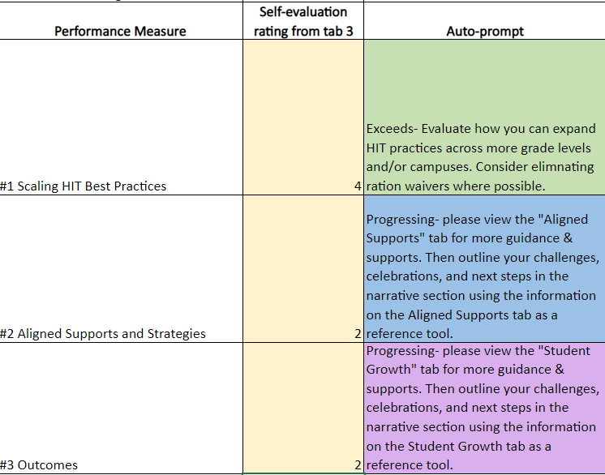

 | As you can see, the LEA received a green cell for Best Practices- they will fill in their narrative section with their strengths and areas of growth. The Aligned Supports/Strategies and Outcomes rows are highlighted blue and purple, which advises the LEA to visit the corresponding blue and purple tabs for more next steps that will inform their narrative section piece. Please see picture below.

Survey
HERE
Please use this survey preview to help you prepare for your survey submission. Please submit your responses
Questions | Answer Choices
Please select your region and LEA from the list below.
Think about the support your LEA received from your ESC this school year. Please indicate to what extent you agree/disagree with the following statement: ESC supports were critical in meeting local tutoring goals. | Strongly Agree | Somewhat agree | Neither agree nor disagree | Somewhat disagree | Strongly disagree
What supports or resources from the TEA Texas Tutoring Supports Team did you utilize? | Email | Training/Webinar/Office Hours | HB 1416 Resources (Accelerated Instruction website, HB 1416 FAQ, Accelerated Instruction flowchart, templates, etc. ) | Other | NA
Have you interacted with the TEA Texas Tutoring Supports Team during the 2023-2024 school year? | No | Yes
Please indicate to what extent you agree/disagree with the following statement: Support from the TEA Texas Tutoring Supports Team has been beneficial. | Strongly Agree | Somewhat agree | Neither agree nor disagree | Somewhat disagree | Strongly disagree
Which provider(s) did your LEA use for your tutoring program during the 23-24 school year? | Amplify | BookNook | Zearn
Please indicate to what extent you agree/disagree with the following statement: The providers whose licenses we used in our tutoring program were critical in the outcomes of our program (example: HIT or supplemental instruction). | Strongly Agree | Somewhat agree | Neither agree nor disagree | Somewhat disagree | Strongly disagree
Will you continue to use your current tutoring provider(s) for the 2024-2025 school year after ESSER funds have expired? | No | Yes | Undecided
How do you plan to fund supplemental instruction after ESSER funds have expired? Select all that apply. | State Comp Ed | Title I Funds | General Budget | Other Grants | Other
When did your LEA provide students with the required HB 1416 accelerated instruction? Select all that apply. | During the school day | Before/after school | Saturday school | Summer school | Intersession
Did your LEA utilize any of the following programs to provide accelerated instruction? Please select all that apply. | Additional Days School Year (ADSY PEP Summer, Full Year, or Intersession) | Blended Learning | Texas ACE (Afterschool Centers on Education) | None
If you provided high impact tutoring to non-tested grade levels, will you continue to do so during the 2024-2025 school year? | Yes | No | NA- we have not provided tutoring to non-tested grade levels
Is your LEA a TCLAS Decision 6 participant? | No | Yes
Please indicate to what extent you agree or disagree with the following statement: The D6 LEA FOI rubric was easy to use due to alignment to LEA goals and to the support provided. | Strongly Agree | Somewhat agree | Neither agree nor disagree | Somewhat disagree | Strongly disagree
Were you awarded Math Supplemental Curriculum Licenses through LASO 2.0? | No | Yes
Are you interested in learning more about Math Supplemental Curriculum Licenses? | No | Yes

