START HERE- Instructions
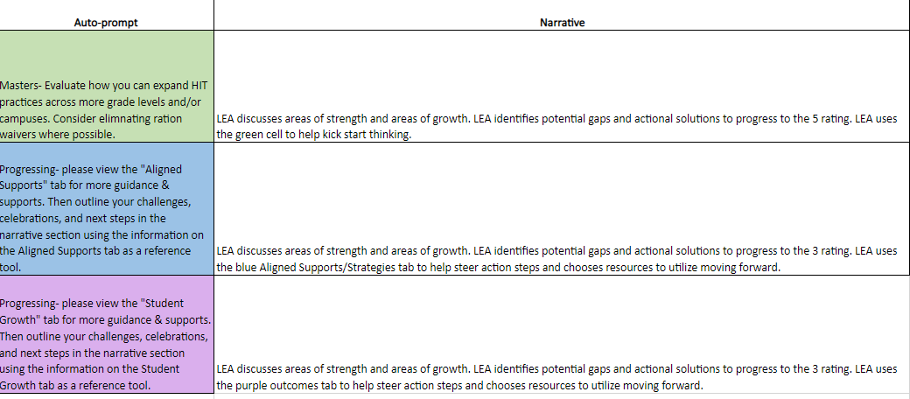
D6 LEA FOI Rubric Fall Submission Window: Monday, October 30 thru Friday, December 1.
Please email completed rubric to your respective Region ESC HIT Lead.

 | LEA Name: Contact Name: Email: Phone:
 | Fidelity of Implementation: Please Read First!

 | Note: please use the zoom feature in the bottom right-hand corner of the window, or in the view tab to help you read and locate information on your screen. Please plan to spend between 1-2 hours completing the summative and narrative sections, depending on how much student data you're working with.

 | Purpose: These formative and summative assessment tools exist to help drive and facilitate self-evaluation and reflection of local tutoring efforts. Please refer to these spreadsheets as you progress toward exemplary-level High Impact Tutoring implementation. These rubrics are meant to identify and recreate/scale your successes, while also addressing your challenges so that your tutoring practices are informed and adjusted to maintain efficacy. It is meant to serve as an actionable guide to next steps in HIT implementation and evaluation, not as a compliance tool. The ratings in this evaluation are not tied to funding, nor do they indicate certain levels of grant compliance. Rather, TCLAS Decision 6 awardees are required to participate in this evaluation process so that both ESCs and the TEA can identify trends in challenges and produce better resources to support those challenges.

 | Formative Tool Tab: This section of the tool serves as a formative self-evaluation that can be used more frequently by district-level and campus-level leadership in evaluating your tutor programming. Column A contains the same performance measures found in the summative self-evaluation tools (sheet 3 of this spreadsheet). Columns B and C provide a more narrow set of questions that should be asked on a rolling basis. This will allow district and campus leadership to more quickly identify challenges and barriers and drive solutions-oriented brainstorming before it's time to use the summative evaluation tool. District and campus leadership have the autonomy to keep local records through documentation and/or electronic systems that have already been developed and are in use. There is no typing requirement on this "LEA Formative Tool" tab.

 | Summative Tool Tab: This section of the self-evaluation tool serves as a summative self-evaluation that should be used at least twice yearly by district-level leadership in evaluating your tutor programming. Please refer to the instructions below before navigating through the tabs. The Texas Tutoring supports webpage via TEA lists deadlines and procedures for submitting. For your Fall 2023 submission, please ensure that you fill in a student outcomes goal in cell H9. We suggest you use last year's goal as a baseline to avoid setting your goal too high or too low.

 | Instructions: *Reminder: the LEA Formative Tool tab does not require any input of information.* 1. Go to the Summative Tool tab. 2. Use the guiding questions in column A to help you evaluate your LEA's progress in each of the 3 performance measures- 1416 Compliance, Aligned Supports/Strategies, and Outcomes. 3. You will choose your self-reflection rating using the drop-down menu in column G. Your rating will be either a 1, 2, 3, 4, or 5 based on the rubric criteria you have met. 4. After inputting your ratings into column G, those same ratings will autofill in the "Narrative Section" tab in column B. 5. Next to those autofilled ratings in the "Narrative Section" tab will be an auto prompted, color-coded response that matches your rating. This is located in column C. Note that column C will remain blank and a beige color until you have self-rated on the "LEA Formative Tool" tab. 6. If you received a 3, 4, or 5, the cell will highlight green. If you received a 1 or 2, the cell will highlight another color. 7. Cells that do NOT highlight green will prompt you to visit a certain tab within this document. You will use that tab to view next steps, considerations, and resources to help you progress to the next rating in the self-evaluation rubric. 8. After viewing these other tabs (if necessary), you will use that information to inform what you write in the narrative sections. Remember, the narrative sections ask for areas of strength and growth. Use the colored tabs (if applicable) to guide your thinking in what your LEA can do next to progress to the next rubric rating.

 | Example: An LEA has been using the formative tool to guide thinking and progress monitoring for the past 6 months. They use this tool at monthly district check-ins and at weekly campus-level check-ins. They are now ready to complete their first summative self-reflection using the summative rubric on tab 3. They entered a 4 for Scaling HIT Best Practices, a 2 for aligned supports/strategies, and a 2 for outcomes. Please see the picture below of how their "Narrative Section" tab would autofill.
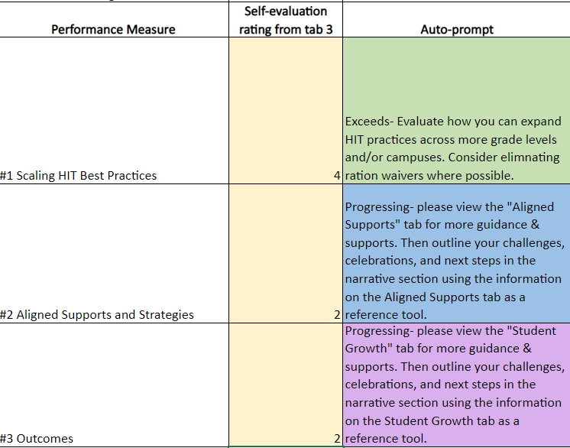

 | As you can see, the LEA received a green cell for Best Practices- they will fill in their narrative section with their strengths and areas of growth. The Aligned Supports/Strategies and Outcomes rows are highlighted blue and purple, which advises the LEA to visit the corresponding blue and purple tabs for more next steps that will inform their narrative section piece. Please see picture below.

