U-1
School District Indirect Cost Rate Proposal |  |  |  |  |  |  |  |  |  |  |  | OPTIONAL OPTIONAL OPTIONAL OPTIONAL OPTIONAL OPTIONAL OPTIONAL OPTIONAL OPTIONAL OPTIONAL OPTIONAL OPTIONAL OPTIONAL OPTIONAL OPTIONAL OPTIONAL OPTIONAL OPTIONAL OPTIONAL OPTIONAL OPTIONAL OPTIONAL OPTIONAL OPTIONAL OPTIONAL OPTIONAL | Use this Quick Check Test to determine: 1. if the expenses entered into the U-1 balances with AFR 2. if the expenses entered will pass TEA's validation process | For District's Use Only - not part of ICRP (OPTIONAL)
School Year 2016-2017 (Fiscal Year 2017) |  |  |  |  |  |  |  |  |  |  |  |  |  | Quick Check Test for Districts
U-1: Unrestricted Rate |  |  |  |  |  |  |  |  |  |  |  |  |  | From your district's FY 2015 AFR For each function and the total expenditures, enter the amount listed in the Total Governmental Funds column as stated on the Statement of Revenues, Expenditures, and Changes In Fund Balance - Governmental Funds For the Food Service Enterprise (FSE), enter the amount listed as the Total Operating Expenses for Child Nutrition as stated on the Statement of Revenues, Expenses and Changes in Fund Net Position | Test Results Note: All items must balance to pass review. If any resulting calculation below appears in red, the expenses listed in the ICRP does not balance with the district's AFR. The function’s expenses should be reviewed to determine the discrepancy and the expenses listed on the ICRP revised to balance with the ICRP.
Name of School District

 |  |  |  |  |  | Do Not Duplicate Costs
 |  |  |  |  |  |  |  | Modified Total Direct Cost (MTDC) Base | Indirect Cost Pool

 |  |  |  |  |  |  |  | Direct Costs/ | Indirect Costs
 |  |  |  |  |  | Total Costs | Excluded Costs | Unallowable Costs | (must include superintendent and CEO indirect salaries and indirect fixed costs
 |  |  |  |  |  |  |  | (must include | indirect salaries and
 |  |  |  |  |  |  |  | governance costs) | indirect fixed costs
 |  |  |  |  |  |  |  |  | of superintendent &
 |  |  |  |  |  |  |  |  | CEOs)
 | *NOTE: Do not duplicate costs
 | FUNC | ORG | PIC | OBJ | DESCRIPTION
Leadership | Instructional and School Leadership |  |  |  |  |  |  |  |  |  |  |  | Instructional and School Leadership
 | 0021 | All | All | All | Instructional Leadership | $- | $- | $- | $- |  |  |  | Total Fn 0021 |  | $-
 | 0023 | All | All | All | School Leadership | $- | $- | $- | $- |  |  |  | Total Fn 0023 |  | $-
General Management Costs + Fixed Costs (District Support Services) | General Administration |  |  |  |  |  |  |  |  |  |  |  | General Administration
 | 0041 | All | All | 611X | Payroll Costs: Teachers and Other Professional Personnel | $- |  | $- | $-
 | 0041 | All | All | 612X | Payroll Costs: Support Personnel | $- |  | $- | $-
 | 0041 | All | All | 613X | Employee Allowances | $- |  | $- | $-
 | 0041 | All | All | 614X | Employee Benefits (Fixed Costs) | $- | $- | $- | $-
 | 0041 | All | All | 6211 | Legal Services | $- | $- | $-
 | 0041 | All | All | 6212 | Audit Services | $- |  |  | $-
 | 0041 | All | All | 6213 | Tax Appraisal and Collection | $- |  | $-
 | 0041 | All | All | 6214 | Lobbying | $- |  | $-
 | 0041 | All | All | 621X | Professional Services | $- |  | $- | $-
 | 0041 | All | All | 622X | Tuition and Transfer Payments | $- |  | $-
 | 0041 | All | All | 623X | Education Service Center Services | $- |  | $- | $-
 | 0041 | All | All | 624X | Contracted Maintenance and Repair Services | $- |  | $- | $-
 | 0041 | All | All | 625X | Utilities | $- |  | $- | $-
 | 0041 | All | All | 626X | Rentals: Operating Leases | $- |  | $- | $-
 | 0041 | All | All | 629X | Miscellaneous Contracted Services | $- |  | $- | $-
 | 0041 | All | All | 631X | Supplies and Materials for Maintenance and/or Operations | $- |  | $- | $-
 | 0041 | All | All | 632X | Textbooks and Other Reading Materials | $- |  | $- | $-
 | 0041 | All | All | 633X | Testing Materials | $- |  | $-
 | 0041 | All | All | 634X | Food Service and Other Resale Items | $- |  | $-
 | 0041 | All | All | 639X | Supplies and Materials: General | $- |  | $- | $-
 | 0041 | All | All | 641X | Travel, Subsistence, and Stipends | $- |  | $- | $-
 | 0041 | All | All | 642X | Insurance and Bonding Costs | $- |  | $- | $- |  | Total of costs entered as obj codes Fun. 41
 | 0041 | All | All | 643X | Election Costs | $- |  | $-
 | 0041 | All | All | 649X | Miscellaneous Operating Costs | $- |  | $- | $-
 | 0041 | All | All | 65XX | Debt Service | $- | $-
 | 0041 | All | All | 66XX | Capital Outlay | $- | $- |  |  | $- |  |  | Total Fn 0041 |  | $-
Instruction/Student/Ancillary Services Direct Costs | Instruction and Instructional-Related Services |  |  |  |  |  |  |  |  |  |  |  | Instruction and Instructional-Related Services
 | 0011 | All | All | All | Instruction | $- | $- | $- | $- |  |  |  | Total Fn 0011 |  | $-
 | 0012 | All | All | All | Instructional Resources and Media Services | $- | $- | $- | $- |  |  |  | Total Fn 0012 |  | $-
 | 0013 | All | All | All | Curriculum Development and Instructional Staff Development | $- | $- | $- | $- |  |  |  | Total Fn 0013 |  | $-
 | Student Support Services |  |  |  |  |  |  |  |  |  |  |  | Student Support Services
 | 0031 | All | All | All | Guidance, Counseling and Evaluation Services | $- | $- | $- | $- |  |  |  | Total Fn 0031 |  | $-
 | 0032 | All | All | All | Social Work Services | $- | $- | $- | $- |  |  |  | Total Fn 0032 |  | $-
 | 0033 | All | All | All | Health Services | $- | $- | $- | $- |  |  |  | Total Fn 0033 |  | $-
 | 0034 | All | All | All | Student (Pupil) Transportation | $- | $- | $- | $- |  |  |  | Total Fn 0034 |  | $-
 | 0035 | All | All | All | Food Services | $- | $- | $- | $- |  |  |  | Total Fn 0035 |  | $-
 | XXXX | XXX | XXX | XXX | Food Service Enterprise Fund (if applicable) | $- | $- | $- | $- |  |  |  | Total Fn FSE |  | $-
 | 0036 | All | All | All | Extracurricular Activities | $- | $- | $- | $- |  |  |  | Total Fn 0036 |  | $-
 | Ancillary Services |  |  |  |  |  |  |  |  |  |  |  | Ancillary Services
 | 0061 | All | All | All | Community Services | $- | $- | $- | $- |  |  |  | Total Fn 0061 |  | $-
 | 0062 | All | All | All | School District Administrative Support Services | $- | $- | $- | $- |  |  |  | Total Fn 0062 |  | $-
Debt/Capital/Intergovernmental Costs Excluded Costs | Debt |  |  |  |  |  |  |  |  |  |  |  | Debt
 | 0071 | All | All | All | Debt Service: Principal on Long-Term Debt | $- | $- |  |  |  |  |  | Total Fn 0071 |  | $-
 | 0072 | All | All | All | Debt Service: Interest on Long-Term Debt | $- | $- |  |  |  |  |  | Total Fn 0072 |  | $-
 | 0073 | All | All | All | Debt Service: Bond Issuance Cost and Fees | $- | $- |  |  |  |  |  | Total Fn 0073 |  | $-
 | Capital |  |  |  |  |  |  |  |  |  |  |  | Capital
 | 0081 | All | All | All | Facilities Acquisition and Construction | $- | $- |  |  |  |  |  | Total Fn 0081 |  | $-
 | Intergovernmental Charges |  |  |  |  |  |  |  |  |  |  |  | Intergovernmental Charges
 | 0091 | All | All | All | Contracted Instructional Services between Public Schools | $- | $- |  |  |  |  |  | Total Fn 0091 |  | $-
 | 0092 | All | All | All | Incremental Costs Associated with Chapter 41, Texas Education Code, Purchase or Sale of WADA | $- | $- |  |  |  |  |  | Total Fn 0092 |  | $-
 | 0093 | All | All | All | Payments to Fiscal Agent/Member Districts of Shared Services Arrangements | $- | $- |  |  |  |  |  | Total Fn 0093 |  | $-
 | 0094 | All | All | All | Payments to Other School Districts under the Public Education Grant Program | $- | $- |  |  |  |  |  | Total Fn 0094 |  | $-
 | 0095 | All | All | All | Payments to Juvenile Justice Alternative Education Programs | $- | $- |  |  |  |  |  | Total Fn 0095 |  | $-
 | 0096 | All | All | All | Payments to Charter Schools | $- | $- |  |  |  |  |  | Total Fn 0096 |  | $-
 | 0097 | All | All | All | Payments to Tax Increment Fund | $- | $- |  |  |  |  |  | Total Fn 0097 |  | $-
 | 0099 | All | All | All | Other Intergovernmental Charges | $- | $- | $- |  |  |  |  | Total Fn 0099 |  | $-
Occupancy and Space Maintenance | Support Services - Non-Student Based |  |  |  |  |  |  |  |  |  |  |  | Support Services - Non-Student Based |  |  | Comparisons | If a comparison number is in red, it indicates the costs allocated to indirect costs for the function exceeds the norm. Please contact FFCR prior to submitting.
 | 0051 | All | All | All | Facilities Maintenance and Operations | $- | $- | $- | $- |  |  |  | Total Fn 0051 | $- | $- | #DIV/0!
 | 0052 | All | All | All | Security and Monitoring Services | $- | $- | $- | $- |  |  |  | Total Fn 0052 | $- | $- | #DIV/0!
 | 0053 | All | All | All | Data Processing Services | $- | $- | $- | $- |  |  |  | Total Fn 0053 | $- | $-
 |  |  |  |  | Total costs of all functions | $- | $- | $- | $- |  |  |  |  | $-
 |  |  |  |  | Total costs of all functions (without food service enterprise) | $- |  |  |  |  |  |  | Total Expenditures |  | $-
 | Depreciation |  |  |  |  |  |  |  |  |  |  |  | Depreciation |  |  | Comparisons | If a comparison number is in red, it indicates the costs allocated to capital assets is significantly underreported, or the amount is overreported Please contact FFCR prior to submitting.
 | Enter the net depreciation from the capital asset activity in annual financial report (required) |  |  |  | Governmental Depreciation Amounts of buildings and improvements (Do not include any depreciation amounts related to buildings and improvements paid for with federal money) | $- |  |  | $- |  |  |  | Governmental Depreciation Amounts of buildings and improvements (Do not include any depreciation amounts related to buildings and improvements paid for with federal money) | $- | $- | #DIV/0!
 |  |  |  |  | Governmental Depreciation Amounts of furniture and equipment and vehicles (Do not include any depreciation amounts related to furniture and equipment paid for with federal money) | $- |  |  | $- |  |  |  | Governmental Depreciation Amounts of furniture and equipment and vehicles (Do not include any depreciation amounts related to furniture and equipment paid for with federal money) | $- | $- | #DIV/0!
 |  |  |  |  |  |  |  | $- | $- |  |  |  | Additional Information regarding the governmental capital asset activity depreciation costs The depreciation amounts entered for Capital Assets depreciation can not exceed the net depreciation amounts listed in the AFR These amounts are found in the Notes to the Financial Statements - Capital Asset Activity section for Governemental Activities Notes: (1) Vehicles are considered Equipment; any depreciation costs for vehicles should be added to the Furniture and Equipment depreciation costs (2) If any depreciation costs are listed capital leases, the depreciation should be added appropriately to either the Buildings and Improvements depreciation or the Furniture and Equipment depreciation Below is an example of the depreciation costs which should be included. The allowable amount of depreciation can be determined two ways: 1) By the difference between the ending balance and the beginning balance (the net difference); or, 2) By the sum of the additions/deletions (the net sum) Both methods are shown below (please note, any depreciation related to items paid for with federal funds has not been deducted):
 |  |  |  |  |  |  |  | Modified Total Direct Cost (MTDC) Base | Indirect Cost Pool

 |  |  |  |  |  |  | Unrestricted Indirect Cost Rate
 |  |  |  |  |  |  | A | B | C
 |  |  |  |  |  |  | Indirect Cost Pool | MTDC Base | Reduction of Discount Factor (5%)
 |  |  |  |  |  |  | $0 | $0 | 95%
 |  |  |  |  |  |  |  | A / B * C
 |  |  |  |  |  |  |  | Rate
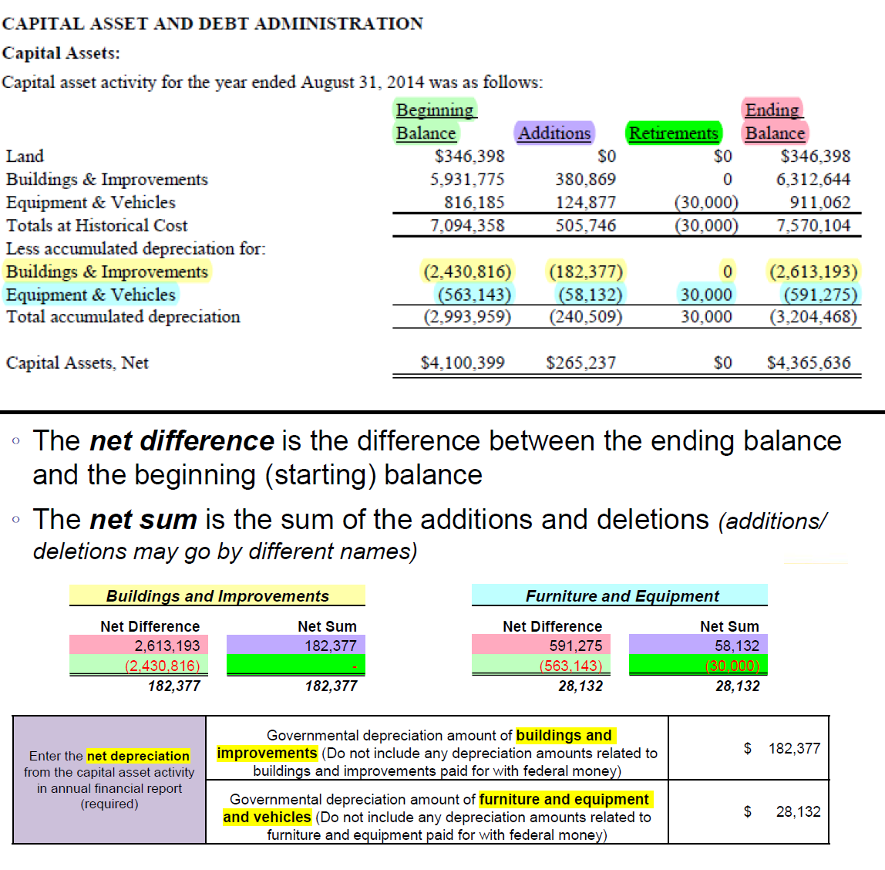
 |  |  |  |  |  |  |  | #DIV/0!

Subreceipient Items
School District Indirect Cost Rate Proposal
School Year 2016-2017 (Fiscal Year 2017)
Subrecipient Items
Name of School District

Check the box to the left to assure that your school district has no subrecipient items to report.
You must complete either Section I or Section II.
Section I - Assurance of no subrecipient items.
Section II: Report all applicable subrecipient items. Please read the instructions in the ICRP Guidance Handbook for School Districts.
The subrecipient items tab details federal grant funds distributed by the school district to another entity to carry out part of a federal program A subrecipient item is the disbursement of federal grant funds - the payment must have a CFDA number listed *Classify the first $25,000 of a subgrants as direct costs; then, classify the remaining amount as excluded costs and itemize below Payments to Fiscal Agents/Member Districts of a Shared Services Arrangement paid with state/local funds should not be listed on this tab - these payments should be itemized on the Excluded Costs Tab
Payee (who received the grant funds from the district) | Federal CFDA Number | Begin Date | End Date | Amount of Federal Subgrants over $25K (do not include the first $25K)* | Payments from Federal Grants to Fiscal Agents and/or Member Districts of Shared Services Arrangements | Other Federal Grant Pass-Through Funds | Total
 |  |  |  |  |  |  | $-
 |  |  |  |  |  |  | $-
 |  |  |  |  |  |  | $-
 |  |  |  |  |  |  | $-
 |  |  |  |  |  |  | $-
 |  |  |  |  |  |  | $-
 |  |  |  |  |  |  | $-
 |  |  |  |  |  |  | $-
 |  |  |  |  |  |  | $-
 |  |  |  |  |  |  | $-
 |  |  |  |  |  |  | $-
 |  |  |  |  |  |  | $-
 |  |  |  |  |  |  | $-
 |  |  |  |  |  |  | $-
 |  |  |  |  |  |  | $-
 |  |  |  |  |  |  | $-
 |  |  |  |  |  |  | $-
 |  |  |  |  |  |  | $-
 |  |  |  |  |  |  | $-
 |  |  |  |  |  |  | $-
 |  |  |  |  |  |  | $-
 |  |  |  |  |  |  | $-
 |  |  |  |  |  |  | $-
 |  |  |  |  |  |  | $-
 |  |  |  |  |  |  | $-
 |  |  |  |  |  |  | $-
 |  |  |  |  |  |  | $-
 |  |  |  |  |  |  | $-
 |  |  |  |  |  |  | $-
 |  |  |  |  |  |  | $-
 |  |  |  |  |  |  | $-
 |  |  |  |  |  |  | $-
 |  |  |  |  |  |  | $-
 |  |  |  |  |  | Grand Total of Subrecipient Items | $-

 |  |  |  | The grand total of subrecipient items populates the excluded costs tab

