Door Components (PRINTABLE)
EXTERIOR DOOR COMPONENTS
This page is intended to help school districts understand and identify the minimum door standard components and requirements for standard hinge door types. The images used are examples only and are not to be considered the only option or type of that specific component. The following components should be checked to see if operable on all exterior building hinge door types.
Component | Image | Description | Review Process
Sturdy Mullion (Double Doors Only) |  | If part of a set of double doors, a sturdy center mullion. | With both doors open, push and pull the mullion. The mullion should be sturdy and not move.
Reinforced Door Frames | 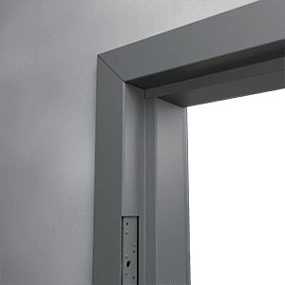 | Constructed of solid material (typically metal) that can’t be easily breached. | Confirm that the frame is made of a solid material.
Auto Door Closer | 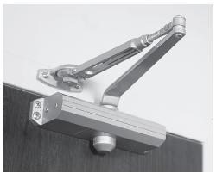 | A mechanism that fully closes automatically after entry or egress without manual intervention, regardless of air pressure within or outside of the facility. | To ensure this mechanism properly works, the school's air conditioning unit should be on to create positive outflow of air pressure. Then open the door fully, then door should automatically shut completely, and latch.
Auto Door Lock | 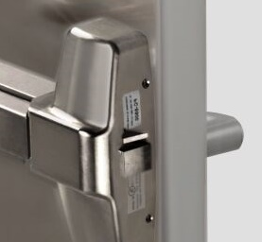 | A mechanism that fully engages locking hardware automatically after entry or egress without manual intervention. | Open the door, after the door closes, it should be both latched and locked from the outside. Someone on the outside must confirm that the door is locked externally.
Emergency Open Mechanism | 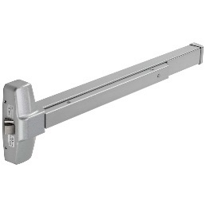 | A mechanism that allows the door to be opened from the inside when locked, without a key, and the door remains locked. | With the door locked, the door should be able to be opened from the inside. After it is opened from the inside, it should remain locked from the outside after closing.
All Non-Hinge Doors | 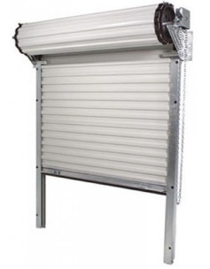 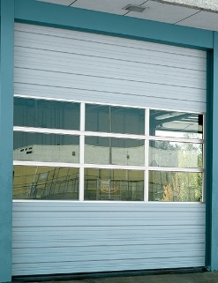 | Any door that is not a hinge door should be verified that it can close and lock. | Physically comfirm that the door can close and lock. This information will not be collected on the Door Input Sheet.

Sample Access Point ID Map
FACILITY INFORMATION
Facility Name & #: | TEXAS INTERMEDIATE SCHOOL (3)
# of Buildings | 1
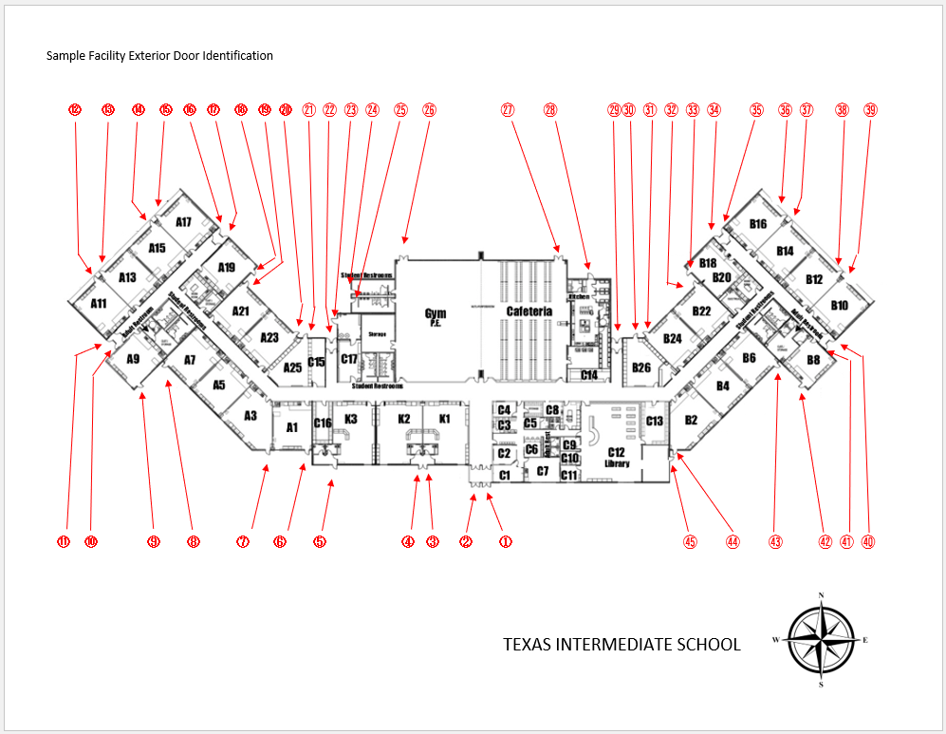

Building Number: 1

Campus Number: 4

Door Input Sheet
Exterior Door Safety Audit Tracker
This tool is designed to help educational leaders perform an exterior door audit to identify security risks to their campus. Individuals performing the exterior door should assess whether or not each of the door safety components are:
Operational (O) | Put an O in the cell if the component works as intended.
Non-Operational (NO) | Put an NO in the cell if the component does not work as intended.
Not Present (NP) | Put an NP in the cell if this component is not present.
Not Applicable (NA) | Only put NA for Sturdy Mullion on all single doors

 |  |  |  |  |  | 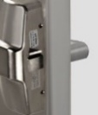 | 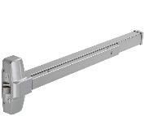

Note: Your campus identidfier, building number, and door number convention may differ from the example below.
Campus | Building | Door Number | Sturdy Mullion (Double Doors Only - Put NA for all other doors) | Reinforced Door Frames | Auto Door Closer | Auto Door Lock | Emergency Open Mechanism
Example01 | E1 | 1.1 | O | O | O | O | O
Example01 | E1 | 1.2 | NA | O | NO | O | NP

